Pivot_Table
Average Income Per Purchase
Average of Income | Column Labels
Row Labels | No | Yes | Grand Total
Female | 43,600 | 46,364 | 44,444
Male | 43,714 | 49,630 | 46,290
Grand Total | 43,667 | 48,684 | 45,612

Customer and Commute Distance

Count of Purchased Bike | Column Labels
Row Labels | No | Yes | Grand Total
0-1 Miles | 3 | 6 | 9
1-2 Miles | 10 | 12 | 22
2-5 Miles | 8 | 6 | 14
5-10 Miles | 31 | 8 | 39
More than 10 Miles | 8 | 6 | 14
Grand Total | 60 | 38 | 98

Count of Purchased Bike | Column Labels
Row Labels | No | Yes | Grand Total
Adolescent | 15 | 8 | 23
Middle Age | 34 | 23 | 57
Old | 11 | 7 | 18
Grand Total | 60 | 38 | 98

Bike Sales Percentage
Count of Purchased Bike | Column Labels
Row Labels | Yes | Grand Total
Female | 28.95% | 28.95%
Male | 71.05% | 71.05%
Grand Total | 100.00% | 100.00%

Bike Sales Percentage
Count of Purchased Bike | Column Labels
Row Labels | Yes | Grand Total
Married | 50.00% | 50.00%
Single | 50.00% | 50.00%
Grand Total | 100.00% | 100.00%

Dashboard
Bike Sales Dashboard
According to the data analyzed, individuals with higher average income, regardless of gender, are more likely to purchase a bike.
The data suggests that individuals who have a shorter commute distance are more likely to own a bike.
It can be reported that a significant proportion of buyers fall within the middle-aged demographic.
Regarding the number of bikes purchased, there was almost no difference between males and females.
Single individuals had a slightly higher number of purchases than married individuals

Average Income Per Purchase
 | No | Yes
Female | 43,600 | 46,364
Male | 43,714 | 49,630
Customer and Commute Distance
 | No | Yes
0-1 Miles | 3 | 6
1-2 Miles | 10 | 12
2-5 Miles | 8 | 6
5-10 Miles | 31 | 8
More than 10 Miles | 8 | 6

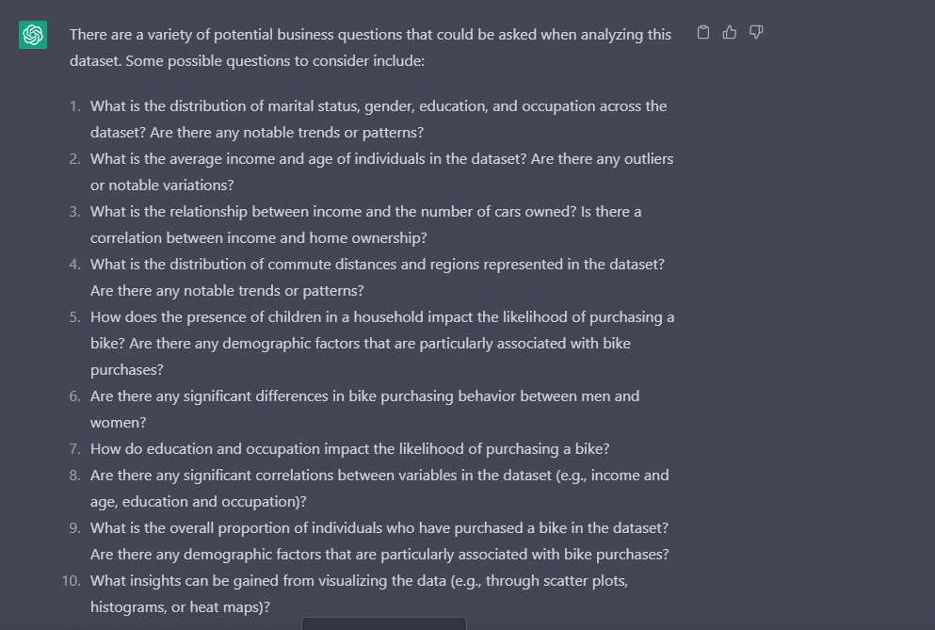

Bike Sales Percentage
 | Yes
Female | 28.95%
Male | 71.05%
Bike Sales Percentage
 | Yes
Married | 50.00%
Single | 50.00%

 | No | Yes
Adolescent | 15 | 8
Middle Age | 34 | 23
Old | 11 | 7

